Sheet1
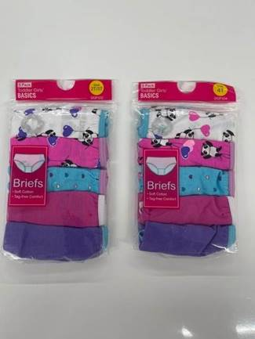
style # | photo | Descrption | qty LA
DGP102 | 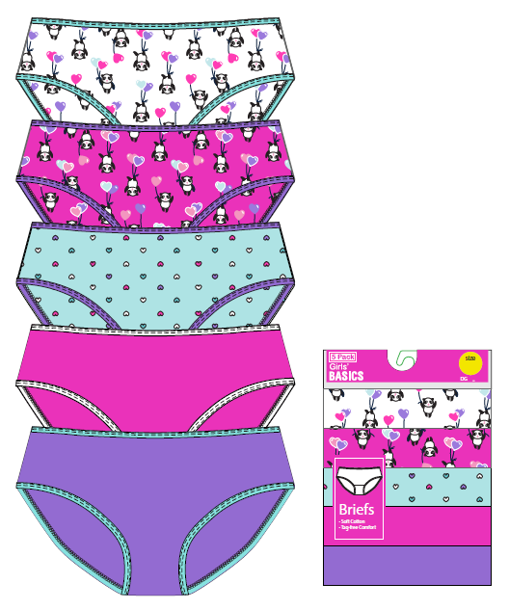 | 5 PK GIRLS 100% COTTON PANTIES size 2T-3T | 48,502
DGP104 |  | 5 PK GIRLS 100% COTTON PANTIES size 4T | 29,040
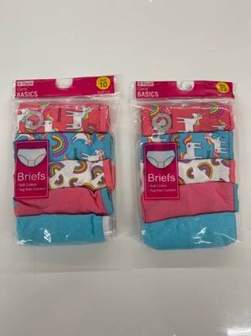
DGP108 | 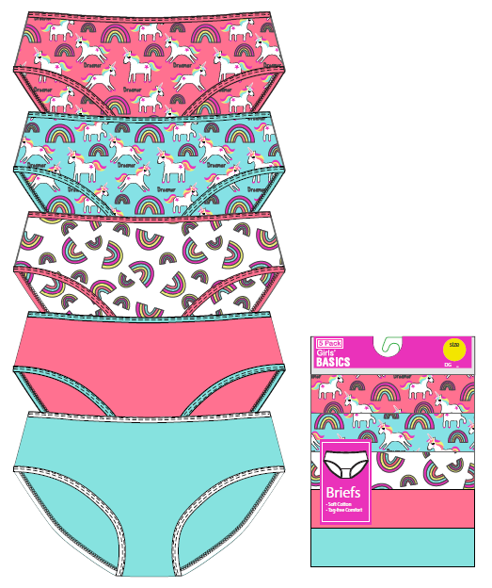 | 5 PK GIRLS 100% COTTON PANTIES size 8 | 11,148
DGP110 |  | 5 PK GIRLS 100% COTTON PANTIES size 10 | 30,120
DGP112 |  | 5 PK GIRLS 100% COTTON PANTIES size 12 | 35,000
 |  |  | 153,810

